Policy_Party_BusinessInfo_Locat
Name | XML Group | Description | Target | ConfigName | Source View | Staging Table | Legacy table | Key Fields | Business Rules | Sample Request XML | Sample Response XML
Account Details-->Session_Data_Account | 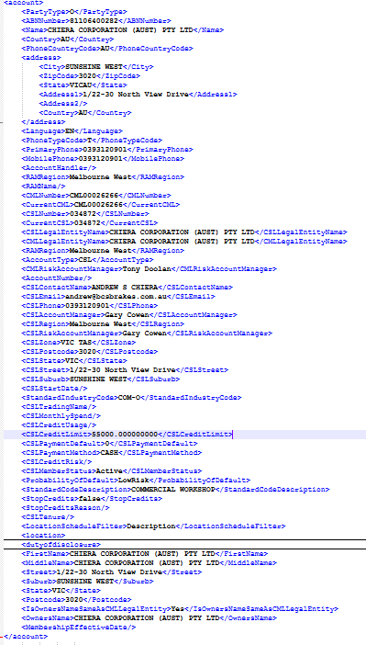 | All the CML Details will be added here | No target table , It is directly taken from the Final table | No target table , It is directly taken from the Final table | No target table , It is directly taken from the Final table | DIM_PARTY_SNAPSHOT_ACTIVE_INACTIVE_MEMBERS_SCD2 | Party Tables | CML and CSL Details | --- | <account> <PartyType>O</PartyType> <ABNNumber>81106400282</ABNNumber> <Name>CHIERA CORPORATION (AUST) PTY LTD</Name> <Country>AU</Country> <PhoneCountryCode>AU</PhoneCountryCode> <address> <City>SUNSHINE WEST</City> <ZipCode>3020</ZipCode> <State>VICAU</State> <Address1>1/22-30 North View Drive</Address1> <Address2/> <Country>AU</Country> </address> <Language>EN</Language> <PhoneTypeCode>T</PhoneTypeCode> <PrimaryPhone>0393120901</PrimaryPhone> <MobilePhone>0393120901</MobilePhone> <AccountHandler/> <RAMRegion>Melbourne West</RAMRegion> <RAMName/> <CMLNumber>CML00026266</CMLNumber> <CurrentCML>CML00026266</CurrentCML> <CSLNumber>034872</CSLNumber> <CurrentCSL>034872</CurrentCSL> <CSLLegalEntityName>CHIERA CORPORATION (AUST) PTY LTD</CSLLegalEntityName> <CMLLegalEntityName>CHIERA CORPORATION (AUST) PTY LTD</CMLLegalEntityName> <RAMRegion>Melbourne West</RAMRegion> <AccountType>CSL</AccountType> <CMLRiskAccountManager>Tony Doolan</CMLRiskAccountManager> <AccountNumber/> <CSLContactName>ANDREW S CHIERA</CSLContactName> <CSLEmail>andrew@bcsbrakes.com.au</CSLEmail> <CSLPhone>0393120901</CSLPhone> <CSLAccountManager>Gary Cowen</CSLAccountManager> <CSLRegion>Melbourne West</CSLRegion> <CSLRiskAccountManager>Gary Cowen</CSLRiskAccountManager> <CSLZone>VIC TAS</CSLZone> <CSLPostcode>3020</CSLPostcode> <CSLState>VIC</CSLState> <CSLStreet>1/22-30 North View Drive</CSLStreet> <CSLSuburb>SUNSHINE WEST</CSLSuburb> <CSLStartDate/> <StandardIndustryCode>COM-O</StandardIndustryCode> <CSLTradingName/> <CSLMonthlySpend/> <CSLCreditUsage/> <CSLCreditLimit>55000.000000000</CSLCreditLimit> <CSLPaymentDefault>0</CSLPaymentDefault> <CSLPaymentMethod>CASH</CSLPaymentMethod> <CSLCreditRisk/> <CSLMemberStatus>Active</CSLMemberStatus> <ProbabilityOfDefault>LowRisk</ProbabilityOfDefault> <StandardCodeDescription>COMMERCIAL WORKSHOP</StandardCodeDescription> <StopCredits>false</StopC | <Insured id="aCEFD1B0F7DC44266B7B0922DF0B891A8"> <EntityType>O</EntityType> <Name>CHIERA CORPORATION (AUST) PTY LTD</Name> <PrimaryPhone>0393120901</PrimaryPhone> <Email/> <Fax/> <ABNNumber>81106400282</ABNNumber> <Address> <Address1>1/22-30 North View Drive</Address1> <Address2/> <City>SUNSHINE WEST</City> <State>VICAU</State> <ZipCode>3020</ZipCode> <Country>AU</Country> </Address> <InternalPartyId>08DEB5ABDB1FF570</InternalPartyId> </Insured> <Contact> <FirstName>ANDREW</FirstName> <MiddleName>S</MiddleName> <LastName>CHIERA</LastName> <Email/> <PhoneNumber>0393120901</PhoneNumber> </Contact>

Location--> Session_Data_Account_location | 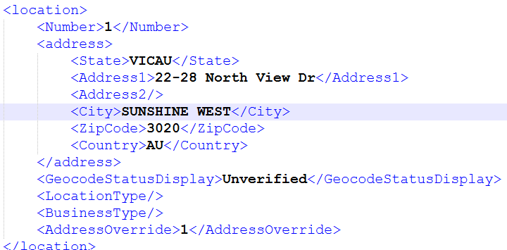 | Address of a policy are added here | AGGNE.PRD.PA_PER_ACCOUNT_LOC_TARGET | ACC_LOC | AGGNE.PRD.PA_PER_ACCOUNT_LOC | AGGNE.PRD.Locationdetails_PER_Policyattach | AGGNE.PRD.Locationdetails_PER_Policyattach,AGGNE.PRD.policyattach_per | Address,Business Type |  | <location> <Number>1</Number> <address> <State>VICAU</State> <Address1>22-28 North View Dr</Address1> <Address2/> <City>SUNSHINE WEST</City> <ZipCode>3020</ZipCode> <Country>AU</Country> </address> <GeocodeStatusDisplay>Unverified</GeocodeStatusDisplay> <LocationType/> <BusinessType/> <AddressOverride>1</AddressOverride> </location> | <Location id="lD0033C32265742AFAC9C0F23EA501880"> <Description/> <Address> <Address1>22-28 North View Dr</Address1> <Address2/> <City>SUNSHINE WEST</City> <State>VICAU</State> <ZipCode>3020</ZipCode> <Country>AU</Country> </Address> </Location>

Duty Of Disclosure --> Session_Data_Account_DutyOfDisclosure |  | Details regarding DOD | No target table , It is directly taken from the Final table | No target table , It is directly taken from the Final table | No target table , It is directly taken from the Final table | Duty_Disclosure_Policyattach | AGGNE.PRD.PER_Duty_Disclosure_Policyattach,PRD_T5_EXTERNAL_AGGNE.PURE_SNAPSHOT.cbp_question3,AGGNE.PRD.Sample_Policyattach_1 | Criminal conviction,Refused Insurance | Need to send the radio columns as Yes/No Not 0 or 1 | <dutyofdisclosure> <CriminalConviction>No</CriminalConviction> <RefusedInsurance>No</RefusedInsurance> <CriminalConvictionDetails/> <RefusedInsuranceDetails/> </dutyofdisclosure> | Not in Attach Response

PriorInsuranceInfo --> Session_Data_Account_PriorInsuranceInfo |  | Prior Insurance info | AGGNE.PRD.PA_PER_COMPETITOR_INFORMATION_TARGET | Prior_INFO | AGGNE.PRD.PA_PER_VW_CBP_COMPETITOR_INFORMATION | Competitor_Information_policyattach | AGGNE.PRD.PER_Competitor_Information_policyattach,PRD_T5_EXTERNAL_AGGNE.PURE_SNAPSHOT.per_summary,PRD_T5_EXTERNAL_AGGNE.PURE_SNAPSHOT.udl_suumr002,AGGNE.PRD.Sample_Policyattach_1 | Carrier,Price |  | <priorinsuranceinfo> <PriorCarrier>CGU</PriorCarrier> <Price>3443</Price> </priorinsuranceinfo> | Not in Attach Response

LossHistory --> Session_Data_Account_LossHistory |  | Claims Loss history | AGGNE.PRD.PA_PER_CLAIM_HISTORY_TARGET | account_info_claim_history | AGGNE.PRD.PA_PER_VW_CLAIM_HISTORY | AGGNE.PRD.CLAIMHISTORY_policyattach | PRD_T5_EXTERNAL_AGGNE.PURE_SNAPSHOT.per_clmhistory,PRD_T5_EXTERNAL_AGGNE.PURE_SNAPSHOT.per_homecontents,AGGNE.PRD.Sample_Policyattach_1, claimshistory_a , claimshistory_b,claimshistory_c | Dateof claim,Amount,Line,Cause |  | <losshistory> <DateOfClaim>2025-09-25</DateOfClaim> <AmmountPaid>53565</AmmountPaid> <Line>Liability</Line> <Cause>CustomerInjury</Cause> </losshistory> | Not in Attach Response

Policy Protection Details-->Session_Data_Account_Policy | 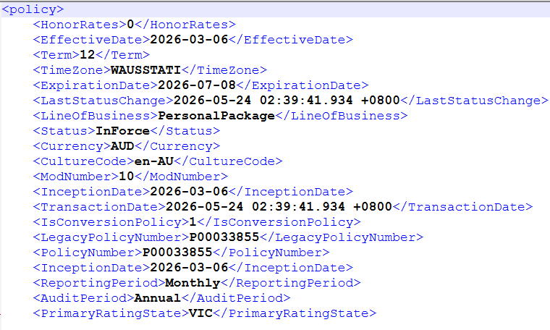 | Policy Protection Details Related to the policy about eff,exp dates, Businness anzsic codes and stuff | No target table , It is directly taken from the Final table | No target table , It is directly taken from the Final table | No target table , It is directly taken from the Final table | AGGNE.PRD.Sample_Policyattach_Final | Policyattach_PER,Policyattach_1 And multiple table above it. |  |  | <policy> <HonorRates>0</HonorRates> <EffectiveDate>2026-03-06</EffectiveDate> <Term>12</Term> <TimeZone>WAUSSTATI</TimeZone> <ExpirationDate>2026-07-08</ExpirationDate> <LastStatusChange>2026-05-24 02:39:41.934 +0800</LastStatusChange> <LineOfBusiness>PersonalPackage</LineOfBusiness> <Status>InForce</Status> <Currency>AUD</Currency> <CultureCode>en-AU</CultureCode> <ModNumber>10</ModNumber> <InceptionDate>2026-03-06</InceptionDate> <TransactionDate>2026-05-24 02:39:41.934 +0800</TransactionDate> <IsConversionPolicy>1</IsConversionPolicy> <LegacyPolicyNumber>P00033855</LegacyPolicyNumber> <PolicyNumber>P00033855</PolicyNumber> <InceptionDate>2026-03-06</InceptionDate> <ReportingPeriod>Monthly</ReportingPeriod> <AuditPeriod>Annual</AuditPeriod> <PrimaryRatingState>VIC</PrimaryRatingState> | <Policy id="p317EDF5373D349588F1C05418D0B8174"> <EffectiveDate>2026-03-06</EffectiveDate> <ExpirationDate>2026-07-08</ExpirationDate> <PolicyStatus>InForce</PolicyStatus> <PolicyTerm>12</PolicyTerm> <CSLNumber>034872</CSLNumber> <CMLNumber>CML00026266</CMLNumber> <RAMName>Tony Doolan</RAMName> <LineOfBusiness>CarrierPersonalPackage</LineOfBusiness> <PackagePolicy>0</PackagePolicy> <PolicyNumber>P00033855</PolicyNumber> <PolicyCurrencyCode>AUD</PolicyCurrencyCode> <PrimaryRatingState>VIC</PrimaryRatingState> <SICCode/> <PolicyType>C</PolicyType> <ANZSICCode/>

BusinessInformation-->Session_Data_Account_Policy |  | Indicators for Risk- Privatemotor,HB And HC | No target table , It is directly taken from the Final table | No target table , It is directly taken from the Final table | No target table , It is directly taken from the Final table | AGGNE.PRD.HB_02_Policyattach,AGGNE.PRD.HC_02_Policyattach,AGGNE.PRD.PM_03_Policyattach | AGGNE.PRD.policyattach_per ,PRD_T5_EXTERNAL_AGGNE.PURE.PER_HOMEBUILDING, PRD_T5_EXTERNAL_AGGNE.PURE.PER_RISKSELECTION ,AGGNE.PRD.Policyattach_PER ,PRD_T5_EXTERNAL_AGGNE.PURE.PER_HOMECONTENTS,AGGNE.PRD.policyattach_per,Sample_PrivateMotor_PER_Policyattach,PRD_T5_EXTERNAL_AGGNE.PURE_SNAPSHOT.PER_RISKSELECTION,PRD_T5_EXTERNAL_AGGNE.PURE_SNAPSHOT.PER_VEHICLEDETAIL,PRD_T5_EXTERNAL_AGGNE.risk.schedule_clauses_template,PRD_T5_EXTERNAL_AGGNE.PURE_SNAPSHOT.PER_CLAUSEAMENDMENTMV | HomeBuildingsContents,PrivateMotorVehicles |  | <businessinformation> <products> <HomeBuildingsContents>1</HomeBuildingsContents> <PrivateMotorVehicles>1</PrivateMotorVehicles> <Motor>0</Motor> <CommercialVehicles>0</CommercialVehicles> </products> </businessinformation> | Not in Attach Response

Risk_Building_HB-HomeBuilding
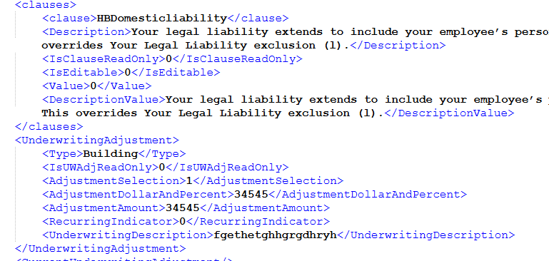
Name | XML Group | Description | Target | ConfigName | Source View | Staging Table | Legacy table | Key Fields | Business Rules | Sample Request XML | Sample Response XML
RISK_Building-->Session_Data_Policy_Line_Risk_Building_HB_Clauses |  | Clause For HB-HomeBuilding | AGGNE.PRD.PA_PER_BUILDING_TARGET | HB_CLAUSE | AGGNE.PRD.HB_CLAUSE | AGGNE.PRD.CLAUSES_Policyattach | PRD_T5_EXTERNAL_AGGNE.risk.schedule_clauses_template | Type,Description |  | <Clauses> <Type>Building</Type> <Clause> <Description>Business Buildings protection excludes loss or damage caused by "xxxxx"</Description> <Type>BB General Exclusion</Type> <DisableFlag>1</DisableFlag> <Indicator>1</Indicator> </Clause> | Not in Attach Response

RISK_Building-->Session_Data_Policy_Line_Risk_Building_HB_Underwriting |  | UW For HomeBuilding | AGGNE.PRD.PA_PER_BUILDING_TARGET | BUILDING_UW | AGGNE.PRD.PER_HB_BUILDING_UW | Output_UWAdjust_PER_PolicyAttach | Adjustments_PER_Out_PolicyAttach,ExpPremium_PER_PolicyAttach,Adjustments_PER_PolicyAttach,PRD_T5_EXTERNAL_AGGNE.PURE_SNAPSHOT.PER_ADJUSTMENTSTA | Amount,Description |  | <UnderwritingAdjustment> <Type>Building</Type> <IsUWAdjReadOnly>0</IsUWAdjReadOnly> <AdjustmentSelection>0</AdjustmentSelection> <AdjustmentDollarAndPercent>45</AdjustmentDollarAndPercent> <AdjustmentAmount>448.598745</AdjustmentAmount> <RecurringIndicator>0</RecurringIndicator> <UnderwritingDescription>Description</UnderwritingDescription> </UnderwritingAdjustment> | Not in Attach Response

RISK_Building-->Session_Data_Policy_Line_Risk_Building_HB_Subcoverages |  | Sub coverages for HB:HBBFL_SD-Flood HBBLD_BF-Bushfire HBBLD_CY-Cyclone HBBLD_EQ-Earthquake HBBLD_SD-Standard HBBLD_ST-Storm HBLLB_SD-Landlord HBBAD_SD-Accidental Damage HBBLI_SD-Building Liability | AGGNE.PRD.PA_PER_BUILDING_TARGET | Building_SubCov | AGGNE.PRD.PA_PER_BB_SUBCOVERAGES | AGGNE.PRD.HB_02_Policyattach | AGGNE.PRD.policyattach_per ,PRD_T5_EXTERNAL_AGGNE.PURE.PER_HOMEBUILDING, PRD_T5_EXTERNAL_AGGNE.PURE.PER_RISKSELECTION | SubCoverage,premiums | Response is based on the taken/indicator values | <coverage> <Type>BAD_SD</Type> <limit> <Type>BAD_SD</Type> <iValue>387000</iValue> </limit> <Indicator>1</Indicator> <sValue>Taken</sValue> <Code>HBBAD_SD</Code> <Description>Accidental Damage</Description> <Premium>0</Premium> </coverage> <coverage> <Type>BLD_BF</Type> <limit> <Type>BLD_BF</Type> <iValue>387000</iValue> </limit> <Indicator>1</Indicator> <Code>HBBLD_BF</Code> <Description>Bushfire</Description> <Premium>0</Premium> </coverage> <coverage> <Type>BLN_SD</Type> <limit> <Type>BLN_SD</Type> <iValue>250000</iValue> </limit> <Indicator>1</Indicator> <Code>HBBLN_SD</Code> <Description>Landslide</Description> <Premium>0</Premium> </coverage> <coverage> <Type>BLD_EQ</Type> <limit> <Type>BLD_EQ</Type> <iValue>387000</iValue> </limit> <Indicator>1</Indicator> <Code>HBBLD_EQ</Code> <Description>Earthquake</Description> <Premium>0</Premium> </coverage> <coverage> <Type>BFL_SD</Type> <limit> <Type>BFL_SD</Type> <iValue>387000</iValue> </limit> <Indicator>1</Indicator> <sValue>Taken</sValue> <Code>HBBFL_SD</Code> <Description>Buildings Flood</Description> <Premium>0</Premium> </coverage> <coverage> <Type>BLI_SD</Type> <limit> <Type>BLI_SD</Type> <iValue>387000</iValue> </limit> <Indicator>1</Indicator> <Code>HBBLI_SD</Code> <Description>Building Liability</Description> <Premium>0</Premium> </coverage> <coverage> <Type>BLD_CY</Type> <limit> <Type>BLD_CY</Type> <iValue>387000</iValue> </limit> <Indicator>1</Indicator> <Code>HBBLD_CY</Code> <Description>Cyclone</Description> <Premium>0</Premium> </coverage> <coverage> <Type>BLD_ST</Type> <limit> <Type>BLD_ST</Type> <iValue>387000</iValue> </limit> <Indicator>1</Indicator> <Code>HBBLD_ST</Code> <Description>Storm</Description> <Premium>0</Premium> </coverag | <Coverage id="c2A85ED4F86FE431398E4B161B2CD70F7"> <Type>HBBAD</Type> <Deductible type="Total" value="" /> <Limit type="Per Occurrence" value="387000" /> <Premium>0</Premium> </Coverage> <Coverage id="c5AEBD58F2DCF4CFE8521A2C035E43053"> <Type>HBBLN</Type> <Deductible type="Total" value="" /> <Limit type="Per Occurrence" value="250000" /> <Premium>0</Premium> </Coverage> <Coverage id="cBFD2019BFB94481AA48CB543F7B3FA50"> <Type>HBBFL</Type> <Deductible type="Total" value="" /> <Limit type="Per Occurrence" value="387000" /> <Premium>0</Premium> </Coverage> <Coverage id="cADF96B75FEFF4143812B3C98862DB0A2"> <Type>HBBLI</Type> <Deductible type="Total" value="" /> <Limit type="Per Occurrence" value="20000000" /> <Premium>0</Premium> </Coverage> <Coverage id="c43F21D6626D2450D958FFEF41AF96D61"> <Type>HBBLD</Type> <Deductible type="Total" value="" /> <Limit type="Per Occurrence" value="387000" /> <Premium>0</Premium> </Coverage>

RISK_Building-->Session_Data_Policy_Line_Risk_Building_HB | 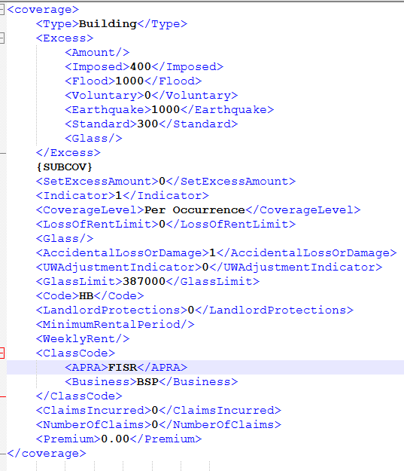 | Excess, Coverage level premiums | AGGNE.PRD.PA_PER_BUILDING_TARGET | RISK_Building_HB | AGGNE.PRD.PA_PER_HOME_BUILDING_PAYLOAD | AGGNE.PRD.HB_02_Policyattach | AGGNE.PRD.policyattach_per ,PRD_T5_EXTERNAL_AGGNE.PURE.PER_HOMEBUILDING, PRD_T5_EXTERNAL_AGGNE.PURE.PER_RISKSELECTION | Excess |  | <coverage> <Type>Building</Type> <Excess> <Amount/> <Imposed>400</Imposed> <Flood>1000</Flood> <Voluntary>0</Voluntary> <Earthquake>1000</Earthquake> <Standard>300</Standard> <Glass/> </Excess> {SUBCOV} <SetExcessAmount>0</SetExcessAmount> <Indicator>1</Indicator> <CoverageLevel>Per Occurrence</CoverageLevel> <LossOfRentLimit>0</LossOfRentLimit> <Glass/> <AccidentalLossOrDamage>1</AccidentalLossOrDamage> <UWAdjustmentIndicator>0</UWAdjustmentIndicator> <GlassLimit>387000</GlassLimit> <Code>HB</Code> <LandlordProtections>0</LandlordProtections> <MinimumRentalPeriod/> <WeeklyRent/> <ClassCode> <APRA>FISR</APRA> <Business>BSP</Business> </ClassCode> <ClaimsIncurred>0</ClaimsIncurred> <NumberOfClaims>0</NumberOfClaims> <Premium>0.00</Premium> </coverage> | <Risk id="r341462F7D12945799B568008FACE0C01"> <BuildingId>r341462F7D12945799B568008FACE0C01</BuildingId> <LocationId>l1473B2F0F7A74A299224954C719A4E3E</LocationId> <Type>Building</Type> <Details>Building 1</Details> <Description></Description> <AdditonalParty>ANZ Bank</AdditonalParty> <Location id="l1473B2F0F7A74A299224954C719A4E3E"> <Description></Description> <Address> <Address1>891 State Highway 1</Address1> <Address2></Address2> <City>Otaki</City> <State>NZ</State> <ZipCode>5581</ZipCode> <Country>NZ</Country> </Address> </Location> <Excess type="Building"> <Total>700</Total> <Earthquake>1000</Earthquake> <Flood>1000</Flood> </Excess> <Coverage id="c2A85ED4F86FE431398E4B161B2CD70F7"> <Type>HBBAD</Type> <Deductible type="Total" value="" /> <Limit type="Per Occurrence" value="387000" /> <Premium>0</Premium> </Coverage> <Coverage id="c5AEBD58F2DCF4CFE8521A2C035E43053"> <Type>HBBLN</Type> <Deductible type="Total" value="" /> <Limit type="Per Occurrence" value="250000" /> <Premium>0</Premium> </Coverage> <Coverage id="cBFD2019BFB94481AA48CB543F7B3FA50"> <Type>HBBFL</Type> <Deductible type="Total" value="" /> <Limit type="Per Occurrence" value="387000" /> <Premium>0</Premium> </Coverage> <Coverage id="cADF96B75FEFF4143812B3C98862DB0A2"> <Type>HBBLI</Type> <Deductible type="Total" value="" /> <Limit type="Per Occurrence" value="20000000" /> <Premium>0</Premium> </Coverage> <Coverage id="c43F21D6626D2450D958FFEF41AF96D61"> <Type>HBBLD</Type> <Deductible type="Total" value="" /> <Limit type="Per Occurrence" value="387000" /> <Premium>0</Premium> </Coverag

Risk_Building_HC-HomeContents
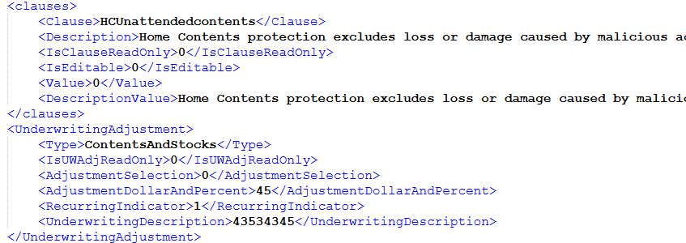
Name | XML Group | Description | Target | ConfigName | Source View | Staging Table | Legacy table | Key Fields | Business Rules | Sample Request XML | Sample Response XML
RISK_Building-->Session_Data_Policy_Line_Risk_Building_HC_Clauses |  | Clause For HC-HomeBuilding | AGGNE.PRD.PA_PER_HC_TARGET | LOC_HC_CLAUSE | AGGNE.PRD.PER_HC_CLAUSE | AGGNE.PRD.CLAUSES_Policyattach | PRD_T5_EXTERNAL_AGGNE.risk.schedule_clauses_template | Type,Description |  | <Clause> <Type>{DCCLAUSETYPE}</Type> <Indicator>1</Indicator> <Description>{DCINPUT}</Description> <DisableFlag>1</DisableFlag> </Clause> | Not in Attach Response

RISK_Building-->Session_Data_Policy_Line_Risk_Building_HC_Underwriting |  | UW For HomeBuilding | AGGNE.PRD.PA_PER_HC_TARGET | BUILDING_UW | AGGNE.PRD.PA_PER_HC_BUILDING_UW | Output_UWAdjust_PER_PolicyAttach | Adjustments_PER_Out_PolicyAttach,ExpPremium_PER_PolicyAttach,Adjustments_PER_PolicyAttach,PRD_T5_EXTERNAL_AGGNE.PURE_SNAPSHOT.PER_ADJUSTMENTSTA | Amount,Description |  | <UnderwritingAdjustment> <Type>{COVERAGE}</Type> <AdjustmentSelection>{ADJUSTMENTSELECTION}</AdjustmentSelection> <AdjustmentDollarAndPercent>{ADJUSTMENTDOLLARANDPERCENT}</AdjustmentDollarAndPercent> <AdjustmentAmount></AdjustmentAmount> <Recurring> <Indicator>{RECURRINGINDICATOR}</Indicator> </Recurring> <UnderwritingDescription>{UNDERWRITINGDESCRIPTION}</UnderwritingDescription> </UnderwritingAdjustment> | Not in Attach Response

RISK_Building-->Session_Data_Policy_Line_Risk_Building_HC_exceed_values |  | Home contents Exceed values | AGGNE.PRD.PA_PER_HC_TARGET | HC_exceed_values | AGGNE.PRD.PA_PER_HC_ITEMS_EXCEED_VALUE | AGGNE.PRD.HC_02_Policyattach | Policyattach_PER,PRD_T5_EXTERNAL_AGGNE.PURE.PER_HOMECONTENTS,PRD_T5_EXTERNAL_AGGNE.PURE.PER_RISKSELECTION,AGGNE.PRD.HC_AWAY_POLICYATTACH,AGGNE.PRD.HC_SPITEMS_policyattach | Vlaue,description |  | <HomeContents> <Value>4535</Value> <Description>Homecontents</Description> </HomeContents> | Not in Attach Response

RISK_Building-->Session_Data_Policy_Line_Risk_Building_HC_Specified_Contents |  | SpecifieDcontents for Home contents | AGGNE.PRD.PA_PER_HC_TARGET | HC_Specified_Contents | AGGNE.PRD.PA_PER_HC_SPECIFIEDCONTENTS | AGGNE.PRD.HC_02_Policyattach | Policyattach_PER,PRD_T5_EXTERNAL_AGGNE.PURE.PER_HOMECONTENTS,PRD_T5_EXTERNAL_AGGNE.PURE.PER_RISKSELECTION,AGGNE.PRD.HC_AWAY_POLICYATTACH,AGGNE.PRD.HC_SPITEMS_policyattach | Vlaue,description |  | <SpecifiedContents> <Value>56565</Value> <Description>Specified contents</Description> </SpecifiedContents> | Not in Attach Response

RISK_Building-->Session_Data_Policy_Line_Risk_Building_HC_Subcoverages |  | Sub coverages forHC:HCSPE_SD-Specified Items HCCNT_BF-Bushfire HCCNT_CY-Cyclone HCCNT_EQ-Earthquake HCCNT_SD-Standard HCCNT_ST-Storm HCCAD_SD-Accidental Damage HCPOR_SD-Portable Items HCCFL_SD-Flood HCCLI_SD-Contents Liability | AGGNE.PRD.PA_PER_HC_TARGET | Building_SubCov | AGGNE.PRD.PA_PER_HC_SUBCOVERAGES | AGGNE.PRD.HC_02_Policyattach | Policyattach_PER,PRD_T5_EXTERNAL_AGGNE.PURE.PER_HOMECONTENTS,PRD_T5_EXTERNAL_AGGNE.PURE.PER_RISKSELECTION,AGGNE.PRD.HC_AWAY_POLICYATTACH,AGGNE.PRD.HC_SPITEMS_policyattach | SubCoverage,premiums | Response is based on the taken/indicator values | <coverage> <Type>CNT_EQ</Type> <limit> <Type>CNT_EQ</Type> <iValue>67000</iValue> </limit> <Indicator>1</Indicator> <Code>HCCNT_EQ</Code> <Description>Earthquake</Description> <Premium>6.208</Premium> </coverage> <coverage> <Type>CLI_SD</Type> <limit> <Type>CLI_SD</Type> <iValue>67000</iValue> </limit> <Indicator>1</Indicator> <Code>HCCLI_SD</Code> <Description>Contents Liability</Description> <Premium>37.696</Premium> </coverage> <coverage> <Type>POR_SD</Type> <limit> <Type>POR_SD</Type> <iValue/> </limit> <Indicator>1</Indicator> <Code>HCPOR_SD</Code> <Description>Portable Items</Description> <Premium>0</Premium> </coverage> <coverage> <Type>CNT_SD</Type> <limit> <Type>CNT_SD</Type> <iValue>67000</iValue> </limit> <Indicator>1</Indicator> <Code>HCCNT_SD</Code> <Description>Standard</Description> <Premium>150.816</Premium> </coverage> <coverage> <Type>CNT_BF</Type> <limit> <Type>CNT_BF</Type> <iValue>67000</iValue> </limit> <Indicator>1</Indicator> <Code>HCCNT_BF</Code> <Description>Bushfire</Description> <Premium>1.248</Premium> </coverage> <coverage> <Type>CNT_CY</Type> <limit> <Type>CNT_CY</Type> <iValue>67000</iValue> </limit> <Indicator>1</Indicator> <Code>HCCNT_CY</Code> <Description>Cyclone</Description> <Premium>9.920</Premium> </coverage> <coverage> <Type>CNT_ST</Type> <limit> <Type>CNT_ST</Type> <iValue>67000</iValue> </limit> <Indicator>1</Indicator> <Code>HCCNT_ST</Code> <Description>Storm</Description> <Premium>114.112</Premium> </coverage> | <Coverage id="c46A36DB0AF684665897053593B785A0B"> <Type>HCCLI</Type> <Deductible type="Total" value=""/> <Limit type="Per Occurrence" value="20000000"/> <Premium>37.696</Premium> </Coverage> <Coverage id="c2D23F33894B24417935BB87D1CDFD37E"> <Type>HCPOR</Type> <Deductible type="Total" value=""/> <Limit type="Per Occurrence" value="0"/> <Premium>0</Premium> </Coverage> <Coverage id="c3BDC55A40C1E43CE9EA9F528B6A066E2"> <Type>HCCNT</Type> <Deductible type="Total" value=""/> <Limit type="Per Occurrence" value="67000"/> <Premium>150.816</Premium> </Coverage>

RISK_Building-->Session_Data_Policy_Line_Risk_Building_HC | 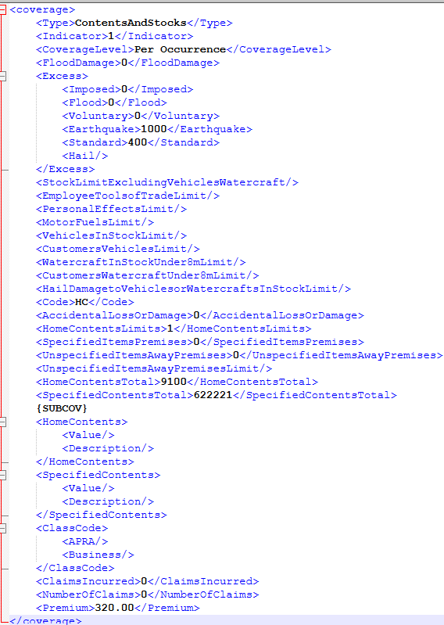 | Excess, Coverage level premiums | AGGNE.PRD.PA_PER_HC_TARGET | RISK_Building_HC | AGGNE.PRD.PA_PER_HOME_CONTENTS_PAYLOAD | AGGNE.PRD.HC_02_Policyattach | Policyattach_PER,PRD_T5_EXTERNAL_AGGNE.PURE.PER_HOMECONTENTS,PRD_T5_EXTERNAL_AGGNE.PURE.PER_RISKSELECTION,AGGNE.PRD.HC_AWAY_POLICYATTACH,AGGNE.PRD.HC_SPITEMS_policyattach | Excess, Coverage level premiums |  | <coverage> <Type>ContentsAndStocks</Type> <Indicator>1</Indicator> <CoverageLevel>Per Occurrence</CoverageLevel> <FloodDamage>0</FloodDamage> <Excess> <Imposed>0</Imposed> <Flood>0</Flood> <Voluntary>0</Voluntary> <Earthquake>1000</Earthquake> <Standard>400</Standard> <Hail/> </Excess> <StockLimitExcludingVehiclesWatercraft/> <EmployeeToolsofTradeLimit/> <PersonalEffectsLimit/> <MotorFuelsLimit/> <VehiclesInStockLimit/> <CustomersVehiclesLimit/> <WatercraftInStockUnder8mLimit/> <CustomersWatercraftUnder8mLimit/> <HailDamagetoVehiclesorWatercraftsInStockLimit/> <Code>HC</Code> <AccidentalLossOrDamage>0</AccidentalLossOrDamage> <HomeContentsLimits>1</HomeContentsLimits> <SpecifiedItemsPremises>0</SpecifiedItemsPremises> <UnspecifiedItemsAwayPremises>0</UnspecifiedItemsAwayPremises> <UnspecifiedItemsAwayPremisesLimit/> <HomeContentsTotal>9100</HomeContentsTotal> <SpecifiedContentsTotal>622221</SpecifiedContentsTotal> {SUBCOV} <HomeContents> <Value/> <Description/> </HomeContents> <SpecifiedContents> <Value/> <Description/> </SpecifiedContents> <ClassCode> <APRA/> <Business/> </ClassCode> <ClaimsIncurred>0</ClaimsIncurred> <NumberOfClaims>0</NumberOfClaims> <Premium>320.00</Premium> </coverage> | Risk id="r917AA50A6F794CFEB7B3A625F95E1FB9"> <BuildingId>r917AA50A6F794CFEB7B3A625F95E1FB9</BuildingId> <LocationId>lD99134527B314B75B475EB6B7E9D13C1</LocationId> <Type>Building</Type> <Details>Building 1</Details> <Description/> <AdditonalParty/> <Location id="lD99134527B314B75B475EB6B7E9D13C1"> <Description/> <Address> <Address1>1 Eversleigh Rd</Address1> <Address2/> <City>SCARBOROUGH</City> <State>QLDAU</State> <ZipCode>4020</ZipCode> <Country>AU</Country> </Address> </Location> <Excess type="ContentsAndStocks"> <Total>400</Total> <Earthquake>1000</Earthquake> <Flood>0</Flood> </Excess> <Coverage id="c46A36DB0AF684665897053593B785A0B"> <Type>HCCLI</Type> <Deductible type="Total" value=""/> <Limit type="Per Occurrence" value="20000000"/> <Premium>37.696</Premium> </Coverage> <Coverage id="c2D23F33894B24417935BB87D1CDFD37E"> <Type>HCPOR</Type> <Deductible type="Total" value=""/> <Limit type="Per Occurrence" value="0"/> <Premium>0</Premium> </Coverage> <Coverage id="c3BDC55A40C1E43CE9EA9F528B6A066E2"> <Type>HCCNT</Type> <Deductible type="Total" value=""/> <Limit type="Per Occurrence" value="67000"/> <Premium>150.816</Premium> </Coverage> </Risk>

Risk_Building_Full_node
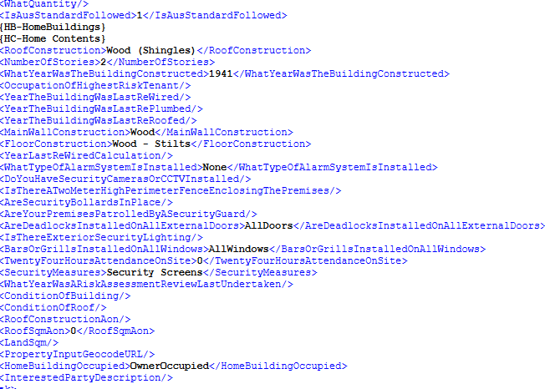
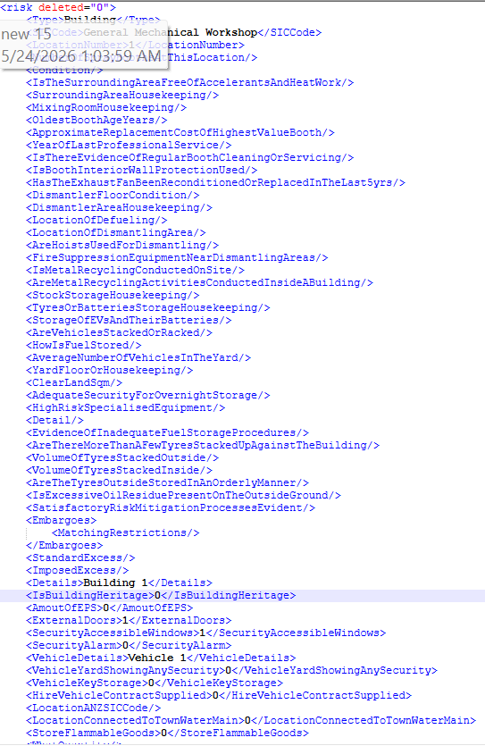
Name | XML Group | Description | Target | ConfigName | Source View | Staging Table | Legacy table | Key Fields | Business Rules | Sample Request XML | Sample Response XML
RISK_Building-->Session_Data_Policy_Line_Risk_Building |  | This Is the whole Risk Node Of the Building (Location) Which have both of its coverages if taken in it coverages in it and also the other information regarding the building | AGGNE.PRD.PA_PER_HC_TARGET | RISK_Building_HC | AGGNE.PRD.PA_PER_HOME_CONTENTS_PAYLOAD | AGGNE.PRD.Locationdetails_PER_Policyattach | AGGNE.PRD.policyattach_per | Excess,Vehcile description , make,year,model,bodytyper,registration number |  | <risk deleted="0"> <Type>Building</Type> <SICCode>General Mechanical Workshop</SICCode> <LocationNumber>1</LocationNumber> <NumberOfSprayBoothsAtThisLocation/> <Condition/> <IsTheSurroundingAreaFreeOfAccelerantsAndHeatWork/> <SurroundingAreaHousekeeping/> <MixingRoomHousekeeping/> <OldestBoothAgeYears/> <ApproximateReplacementCostOfHighestValueBooth/> <YearOfLastProfessionalService/> <IsThereEvidenceOfRegularBoothCleaningOrServicing/> <IsBoothInteriorWallProtectionUsed/> <HasTheExhaustFanBeenReconditionedOrReplacedInTheLast5yrs/> <DismantlerFloorCondition/> <DismantlerAreaHousekeeping/> <LocationOfDefueling/> <LocationOfDismantlingArea/> <AreHoistsUsedForDismantling/> <FireSuppressionEquipmentNearDismantlingAreas/> <IsMetalRecyclingConductedOnSite/> <AreMetalRecyclingActivitiesConductedInsideABuilding/> <StockStorageHousekeeping/> <TyresOrBatteriesStorageHousekeeping/> <StorageOfEVsAndTheirBatteries/> <AreVehiclesStackedOrRacked/> <HowIsFuelStored/> <AverageNumberOfVehiclesInTheYard/> <YardFloorOrHousekeeping/> <ClearLandSqm/> <AdequateSecurityForOvernightStorage/> <HighRiskSpecialisedEquipment/> <Detail/> <EvidenceOfInadequateFuelStorageProcedures/> <AreThereMoreThanAFewTyresStackedUpAgainstTheBuilding/> <VolumeOfTyresStackedOutside/> <VolumeOfTyresStackedInside/> <AreTheTyresOutsideStoredInAnOrderlyManner/> <IsExcessiveOilResiduePresentOnTheOutsideGround/> <SatisfactoryRiskMitigationProcessesEvident/> <Embargoes> <MatchingRestrictions/> </Embargoes> <StandardExcess/> <ImposedExcess/> <Details>Building 1</Details> <IsBuildingHeritage>0</IsBuildingHeritage> <AmoutOfEPS>0</AmoutOfEPS> <ExternalDoors>1</ExternalDoors> <SecurityAccessibleWindows>1</SecurityAccessibleWindows> <SecurityAlarm>0</SecurityAlarm> <VehicleDetails>Vehicle 1</VehicleDetails> <VehicleYardShowingAnySecurity>0</VehicleYardShowingAnySecurity> <VehicleKeyStorage>0</VehicleKeyStorage> <HireV | Risk id="r917AA50A6F794CFEB7B3A625F95E1FB9"> <BuildingId>r917AA50A6F794CFEB7B3A625F95E1FB9</BuildingId> <LocationId>lD99134527B314B75B475EB6B7E9D13C1</LocationId> <Type>Building</Type> <Details>Building 1</Details> <Description/> <AdditonalParty/> <Location id="lD99134527B314B75B475EB6B7E9D13C1"> <Description/> <Address> <Address1>1 Eversleigh Rd</Address1> <Address2/> <City>SCARBOROUGH</City> <State>QLDAU</State> <ZipCode>4020</ZipCode> <Country>AU</Country> </Address> </Location> <Excess type="ContentsAndStocks"> <Total>400</Total> <Earthquake>1000</Earthquake> <Flood>0</Flood> </Excess> <Coverage id="c46A36DB0AF684665897053593B785A0B"> <Type>HCCLI</Type> <Deductible type="Total" value=""/> <Limit type="Per Occurrence" value="20000000"/> <Premium>37.696</Premium> </Coverage> <Coverage id="c2D23F33894B24417935BB87D1CDFD37E"> <Type>HCPOR</Type> <Deductible type="Total" value=""/> <Limit type="Per Occurrence" value="0"/> <Premium>0</Premium> </Coverage> <Coverage id="c3BDC55A40C1E43CE9EA9F528B6A066E2"> <Type>HCCNT</Type> <Deductible type="Total" value=""/> <Limit type="Per Occurrence" value="67000"/> <Premium>150.816</Premium> </Coverage> </Risk>

Risk_PrivateMotor
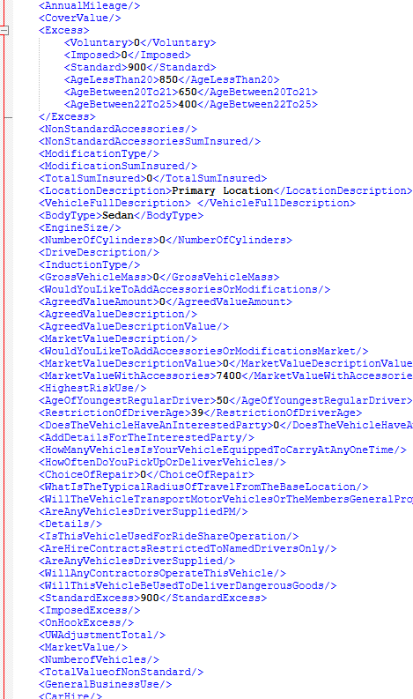
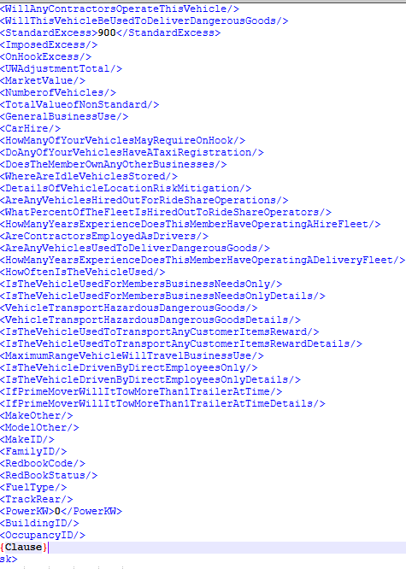
Name | XML Group | Description | Target | ConfigName | Source View | Staging Table | Legacy table | Key Fields | Business Rules | Sample Request XML | Sample Response XML
RISK_Motor-->Session_Data_Policy_Line_Risk_PrivateMotor_UnderwritingAdjustments |  | Private Motor Underwriting Adjustments | AGGNE.PRD.PA_PER_COM_COVERAGES_TARGET | PER_PM_BUILDING_UW | AGGNE.PRD.PA_PER_PM_BUILDING_UW | Output_UWAdjust_PER_PolicyAttach | Adjustments_PER_Out_PolicyAttach,ExpPremium_PER_PolicyAttach,Adjustments_PER_PolicyAttach,PRD_T5_EXTERNAL_AGGNE.PURE_SNAPSHOT.PER_ADJUSTMENTSTA | Amount,Description |  | <UnderwritingAdjustment> <Type>{COVERAGE}</Type> <AdjustmentSelection>{ADJUSTMENTSELECTION}</AdjustmentSelection> <AdjustmentDollarAndPercent>{ADJUSTMENTDOLLARANDPERCENT}</AdjustmentDollarAndPercent> <AdjustmentAmount></AdjustmentAmount> <Recurring> <Indicator>{RECURRINGINDICATOR}</Indicator> </Recurring> <UnderwritingDescription>{UNDERWRITINGDESCRIPTION}</UnderwritingDescription> </UnderwritingAdjustment> | Not in Attach Response

RISK_Motor-->Session_Data_Policy_Line_Risk_PrivateMotor_Clause |  | Private Motor Clause | AGGNE.PRD.PA_PER_COM_COVERAGES_TARGET | COM_CLAUSE | AGGNE.PRD.PA_PER_COM_CLAUSE | AGGNE.PRD.PM_03_Policyattach | AGGNE.PRD.PM_01_Policyattach,AGGNE.PRD.PM_02_Policyattach,AGGNE.PRD.Sample_PrivateMotor_PER_Policyattach PRD_T5_EXTERNAL_AGGNE.PURE_SNAPSHOT.PER_VEHICLEDETAIL PRD_T5_EXTERNAL_AGGNE.PURE_SNAPSHOT.PER_RISKSELECTION PRD_T5_EXTERNAL_AGGNE.risk.schedule_clauses_template PRD_T5_EXTERNAL_AGGNE.PURE_SNAPSHOT.PER_CLAUSEAMENDMENTMV | Type,Description |  | <Clauses> <Type>Motor</Type> <ClausesSelection>PMAdditionalbenefit7increase</ClausesSelection> <SelectClauseDescription>Additional benefits, 7. Stolen Keys is increased to </SelectClauseDescription> <IsClauseReadOnly>0</IsClauseReadOnly> <IsEditable>1</IsEditable> <Value>4354</Value> <DescriptionValue>Additional benefits, 7. Stolen Keys is increased to 4354</DescriptionValue> </Clauses> | Not in Attach Response

RISK_Motor-->Session_Data_Policy_Line_Risk_PrivateMotor_SubCov | 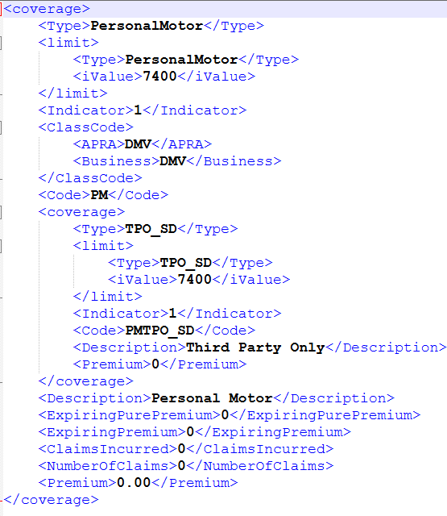 | Private Motor SubCoverages :PMCMP_SD-Comprehensive Property PMCOR_SD-Choice of Repairer PMFTL_SD-Fire & Theft excluding Liability PMLIA_SD-Comprehensive Liability PMPCH_SD-Car Hire PMTFT_SD-Third Party Fire & Theft PMTPO_SD-Third Party Only PMULG_SD-Unlimited Glass | AGGNE.PRD.PA_PER_COM_COVERAGES_TARGET | Risk_CM | AGGNE.PRD.PA_PER_COM_COVERAGES | AGGNE.PRD.PM_03_Policyattach | AGGNE.PRD.PM_01_Policyattach,AGGNE.PRD.PM_02_Policyattach,AGGNE.PRD.Sample_PrivateMotor_PER_Policyattach PRD_T5_EXTERNAL_AGGNE.PURE_SNAPSHOT.PER_VEHICLEDETAIL PRD_T5_EXTERNAL_AGGNE.PURE_SNAPSHOT.PER_RISKSELECTION PRD_T5_EXTERNAL_AGGNE.risk.schedule_clauses_template PRD_T5_EXTERNAL_AGGNE.PURE_SNAPSHOT.PER_CLAUSEAMENDMENTMV | Subcoverages - Limit , Premium and coverage Premium |  | <coverage> <Type>PersonalMotor</Type> <limit> <Type>PersonalMotor</Type> <iValue>7400</iValue> </limit> <Indicator>1</Indicator> <ClassCode> <APRA>DMV</APRA> <Business>DMV</Business> </ClassCode> <Code>PM</Code> <coverage> <Type>TPO_SD</Type> <limit> <Type>TPO_SD</Type> <iValue>7400</iValue> </limit> <Indicator>1</Indicator> <Code>PMTPO_SD</Code> <Description>Third Party Only</Description> <Premium>0</Premium> </coverage> <Description>Personal Motor</Description> <ExpiringPurePremium>0</ExpiringPurePremium> <ExpiringPremium>0</ExpiringPremium> <ClaimsIncurred>0</ClaimsIncurred> <NumberOfClaims>0</NumberOfClaims> <Premium>0.00</Premium> </coverage> | <Coverage id="c39714829E94E473ABCEEA2BF0EC17647"> <Type>PMTPO</Type> <Deductible type="Total" value="" /> <Limit type="Per Occurrence" value="7400" /> <Premium>0</Premium> </Coverage>

RISK_Motor-->Session_Data_Policy_Line_Risk_PrivateMotor | 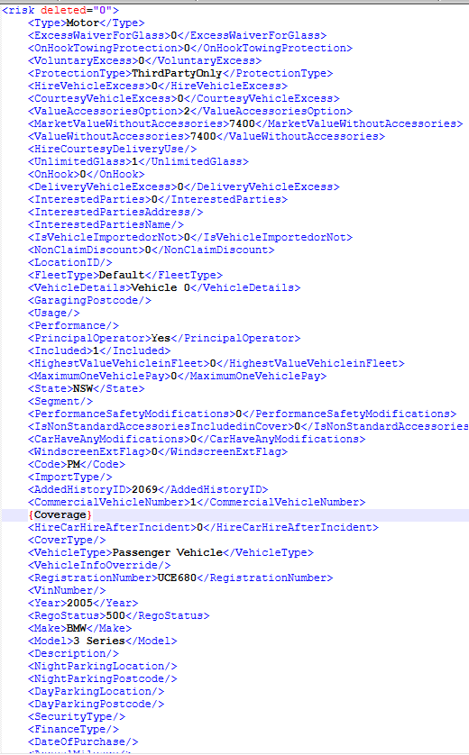 | All the risk Information regarding all the vehicle infor which includes UW,Clauses, Coverage and sub Coverage Information. | AGGNE.PRD.PA_PER_COM_COVERAGES_TARGET | RISK_Building_PM | AGGNE.PRD.PA_PER_COM_PAYLOAD | AGGNE.PRD.PM_03_Policyattach | AGGNE.PRD.PM_01_Policyattach,AGGNE.PRD.PM_02_Policyattach,AGGNE.PRD.Sample_PrivateMotor_PER_Policyattach PRD_T5_EXTERNAL_AGGNE.PURE_SNAPSHOT.PER_VEHICLEDETAIL PRD_T5_EXTERNAL_AGGNE.PURE_SNAPSHOT.PER_RISKSELECTION PRD_T5_EXTERNAL_AGGNE.risk.schedule_clauses_template PRD_T5_EXTERNAL_AGGNE.PURE_SNAPSHOT.PER_CLAUSEAMENDMENTMV | All the risk Information regarding all the vehicle infor which includes UW,Clauses, Coverage and sub Coverage Information. |  | <risk deleted="0"> <Type>Motor</Type> <ExcessWaiverForGlass>0</ExcessWaiverForGlass> <OnHookTowingProtection>0</OnHookTowingProtection> <VoluntaryExcess>0</VoluntaryExcess> <ProtectionType>ThirdPartyOnly</ProtectionType> <HireVehicleExcess>0</HireVehicleExcess> <CourtesyVehicleExcess>0</CourtesyVehicleExcess> <ValueAccessoriesOption>2</ValueAccessoriesOption> <MarketValueWithoutAccessories>7400</MarketValueWithoutAccessories> <ValueWithoutAccessories>7400</ValueWithoutAccessories> <HireCourtesyDeliveryUse/> <UnlimitedGlass>1</UnlimitedGlass> <OnHook>0</OnHook> <DeliveryVehicleExcess>0</DeliveryVehicleExcess> <InterestedParties>0</InterestedParties> <InterestedPartiesAddress/> <InterestedPartiesName/> <IsVehicleImportedorNot>0</IsVehicleImportedorNot> <NonClaimDiscount>0</NonClaimDiscount> <LocationID/> <FleetType>Default</FleetType> <VehicleDetails>Vehicle 0</VehicleDetails> <GaragingPostcode/> <Usage/> <Performance/> <PrincipalOperator>Yes</PrincipalOperator> <Included>1</Included> <HighestValueVehicleinFleet>0</HighestValueVehicleinFleet> <MaximumOneVehiclePay>0</MaximumOneVehiclePay> <State>NSW</State> <Segment/> <PerformanceSafetyModifications>0</PerformanceSafetyModifications> <IsNonStandardAccessoriesIncludedinCover>0</IsNonStandardAccessoriesIncludedinCover> <CarHaveAnyModifications>0</CarHaveAnyModifications> <WindscreenExtFlag>0</WindscreenExtFlag> <Code>PM</Code> <ImportType/> <AddedHistoryID>2069</AddedHistoryID> <CommercialVehicleNumber>1</CommercialVehicleNumber> {Coverage} <HireCarHireAfterIncident>0</HireCarHireAfterIncident> <CoverType/> <VehicleType>Passenger Vehicle</VehicleType> <VehicleInfoOverride/> <RegistrationNumber>UCE680</RegistrationNumber> <VinNumber/> <Year>2005</Year> <RegoStatus>500</RegoStatus> <Make>BMW</Make> <Model>3 Series</Model> <Description/> <NightParkingLocation/> <NightParkingPostcode/> <DayParkingLocation/> <DayPark | <Risk id="r0BA39E7A688F4D769A2FBE46FEE91B0F"> <Type>Motor</Type> <RegistrationNumber>UCE680</RegistrationNumber> <CoverType></CoverType> <VIN></VIN> <State>NSW</State> <BodyType>Sedan</BodyType> <Make>BMW</Make> <Model>3 Series</Model> <Year>2005</Year> <Description></Description> <TotalValue>0</TotalValue> <Usage></Usage> <VehicleType>Passenger Vehicle</VehicleType> <Mileage></Mileage> <VehicleFullDescription></VehicleFullDescription> <WindscreenExtensionBenefitUsed>0</WindscreenExtensionBenefitUsed> <AdditonalParty></AdditonalParty> <Excess type="PersonalMotor"> <Total>900</Total> <Age> <AgeOfYoungestRegularDriver>50</AgeOfYoungestRegularDriver> <RestrictionOfDriverAge>40</RestrictionOfDriverAge> <AgeLessThan20>850</AgeLessThan20> <AgeBetween20To21>650</AgeBetween20To21> <AgeBetween22To25>400</AgeBetween22To25> </Age> </Excess> <Coverage id="c39714829E94E473ABCEEA2BF0EC17647"> <Type>PMTPO</Type> <Deductible type="Total" value="" /> <Limit type="Per Occurrence" value="7400" /> <Premium>0</Premium> </Coverage> </Risk>

